BQL
Inflation Sensitivity Barometer

get() | get(last(CPI(po=range(-10y,0d)).REPORTED_DATE,5),Last(CPI(po=range(-10y,0d)).value,5))

for() | for('US Country')

 | ID | last(CPI(po=range(-10y,0d)).REPORTED_DATE,5) | Last(CPI(po=range(-10y,0d)).value,5)
 | US Country | 2023-04-12 | 4.98497
 | US Country | 2023-05-10 | 4.93032
 | US Country | 2023-06-13 | 4.04762
 | US Country | 2023-07-12 | 2.96918
 | US Country | 2023-08-10 | 3.17778

let() | let(#start_date=2023-04-11;#end_date=2023-04-12;) |  |  | let(#start_date=2023-05-09;#end_date=2023-05-10;) |  | let(#start_date=2023-06-12;#end_date=2023-06-13;) |  | let(#start_date=2023-07-11;#end_date=2023-07-12;) |  | let(#start_date=2023-08-09;#end_date=2023-08-10;)

get() | get(groupsort(wavg(group(pct_chg(dropna(px_last(dates=range(#start_date, #end_date)))), gics_sector_name), group(id().weights, gics_sector_name)), order=asc)) |  |  | get(groupsort(wavg(group(pct_chg(dropna(px_last(dates=range(#start_date, #end_date)))), gics_sector_name), group(id().weights, gics_sector_name)), order=asc)) |  | get(groupsort(wavg(group(pct_chg(dropna(px_last(dates=range(#start_date, #end_date)))), gics_sector_name), group(id().weights, gics_sector_name)), order=asc)) |  | get(groupsort(wavg(group(pct_chg(dropna(px_last(dates=range(#start_date, #end_date)))), gics_sector_name), group(id().weights, gics_sector_name)), order=asc)) |  | get(groupsort(wavg(group(pct_chg(dropna(px_last(dates=range(#start_date, #end_date)))), gics_sector_name), group(id().weights, gics_sector_name)), order=asc))

for() | for(members('SPX Index')) |  |  | for(members('SPX Index')) |  | for(members('SPX Index')) |  | for(members('SPX Index')) |  | for(members('SPX Index'))
with() | with(fill=prev) |  |  | with(fill=prev) |  | with(fill=prev) |  | with(fill=prev) |  | with(fill=prev)

 | ID | groupsort(wavg(group(pct_chg(dropna(px_last(dates=range(#start_date,#end_date)))),gics_sector_name),group(id().weights,gics_sector_name)),order=asc) |  | ID | groupsort(wavg(group(pct_chg(dropna(px_last(dates=range(#start_date,#end_date)))),gics_sector_name),group(id().weights,gics_sector_name)),order=asc) | ID | groupsort(wavg(group(pct_chg(dropna(px_last(dates=range(#start_date,#end_date)))),gics_sector_name),group(id().weights,gics_sector_name)),order=asc) | ID | groupsort(wavg(group(pct_chg(dropna(px_last(dates=range(#start_date,#end_date)))),gics_sector_name),group(id().weights,gics_sector_name)),order=asc) | ID | groupsort(wavg(group(pct_chg(dropna(px_last(dates=range(#start_date,#end_date)))),gics_sector_name),group(id().weights,gics_sector_name)),order=asc)
 | Consumer Staples | #N/A |  | Information Technology | #N/A | Information Technology | #N/A | Health Care | -0.288 | Utilities | -0.315
 | Information Technology | #N/A |  | Energy | -1.135 | Utilities | -0.064 | Industrials | -0.185 | Real Estate | -0.302
 | Consumer Discretionary | -1.686 |  | Financials | -0.569 | Communication Services | 0.267 | Consumer Staples | 0.256 | Industrials | -0.279
 | Communication Services | -0.852 |  | Industrials | -0.351 | Consumer Staples | 0.419 | Real Estate | 0.453 | Consumer Staples | -0.200
 | Real Estate | -0.310 |  | Consumer Staples | -0.142 | Energy | 0.488 | Financials | 0.633 | Health Care | -0.044
 | Financials | -0.187 |  | Materials | 0.073 | Health Care | 0.545 | Energy | 0.900 | Information Technology | 0.010
 | Utilities | -0.120 |  | Health Care | 0.288 | Financials | 0.596 | Consumer Discretionary | 0.982 | Energy | 0.080
 | Health Care | 0.057 |  | Consumer Discretionary | 0.732 | Real Estate | 0.651 | Information Technology | 1.281 | Financials | 0.084
 | Materials | 0.062 |  | Utilities | 0.944 | Consumer Discretionary | 0.979 | Materials | 1.293 | Materials | 0.098
 | Energy | 0.136 |  | Real Estate | 1.034 | Industrials | 1.197 | Utilities | 1.467 | Consumer Discretionary | 0.305
 | Industrials | 0.339 |  | Communication Services | 1.856 | Materials | 2.343 | Communication Services | 1.519 | Communication Services | 0.414

Resources
 | Resources

Bloomberg

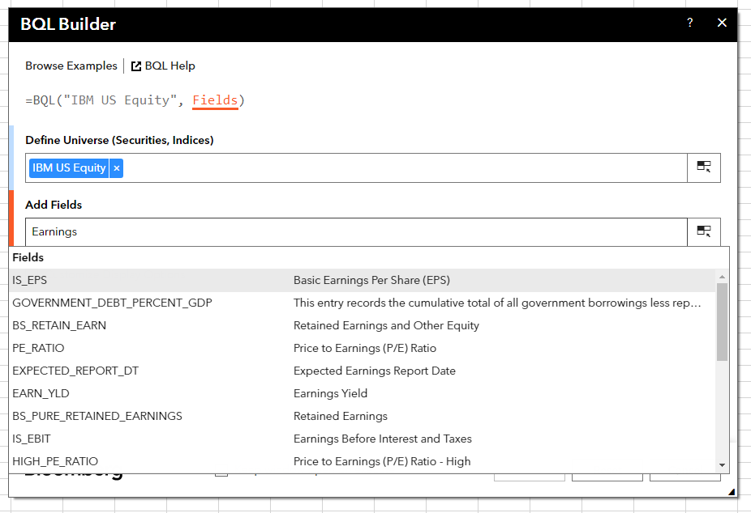
 | Bloomberg Ribbon: BQL Builder + BQL Query Editor
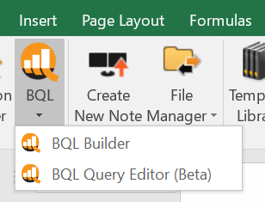

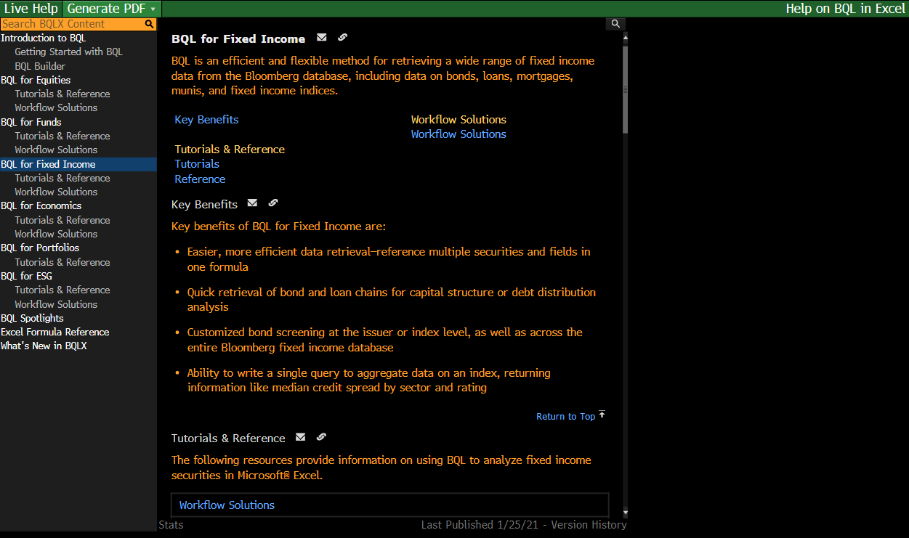
 | BQLX <GO> for HELP Page

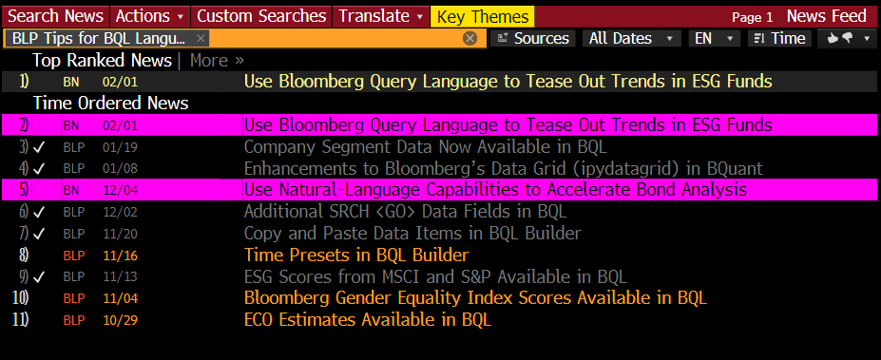
 | NI BLPBQL <GO>
 | Please subscribe it from "Actions" at the top -> Set Alert Delivery

